PA5-Chapter 4-FA
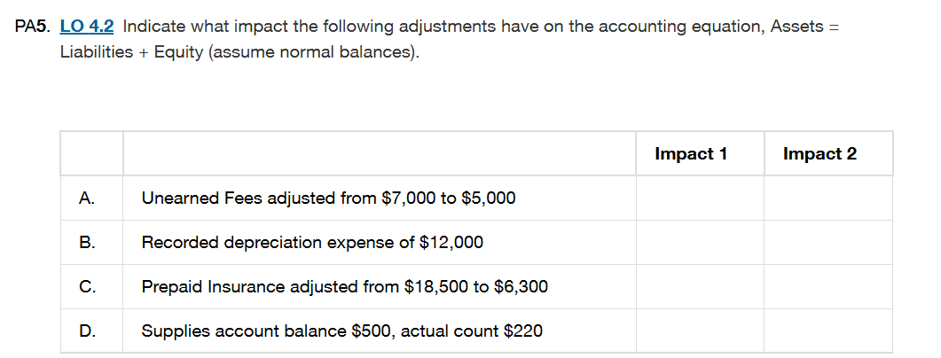

Sr | . | Impact 1 | Impact2
A | Unearned Fees adjusted from $7,000 to $5,000 | No Change | Liabilities ↓$2000 Equity ↑ $2000(Revenue Earned)
B | Recorded depreciation expense of $12,000 | Asset ↓$12000(Accumulated Depreciation) | Equity ↓ $12000(Depreciation Expense reduces equity)
C | Prepaid Insurance adjusted from $18,500 to $6,300 | Asset ↓$12000 | Equity ↓ $12000(Insurance Expense)
D | Supplies account balance $500, actual count $220 | Asset ↓ $280 | Equity ↓ $280(Supplies Expense)

 | Assets decrease by $12000(B) + $12200(C ) + $280(D) = $24480
 | Liabilities decrease by $2000(A)
 | Equity increase by $2000(A) but decrease by $12000(B) + $12200(C ) + $280(D) = Net Equity ↓ $22480
 | Total Impact:
 | Assets ↓ $24480= Liabilities↓ $2000 + Equity↓ $22480

PA15-Chapter 4-FA
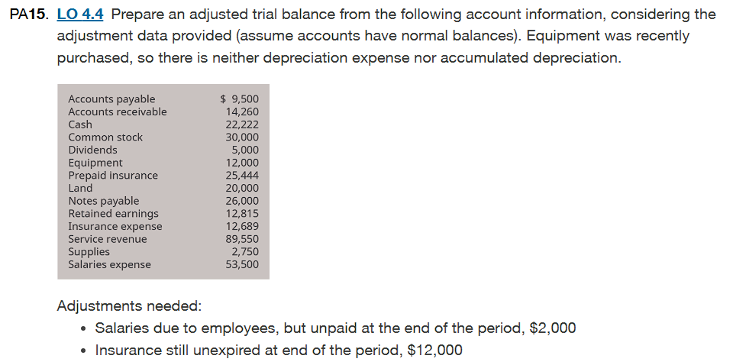

1. Salaries Payable Adjustment |  |  |  | 2. Prepaid Insurance Adjustment |  |  |  | Adjusted Trial Balance
Salaries Expense = $53500 |  |  |  | Prepaid Insurance = $25444 |  | Unexpired Balance= $12000 |  | Account | Debit | Credit
Adjustment = $2000 Unpaid Salaries(Accured) |  |  |  | Expired Insurance= $25444-$12000= $13444 |  |  |  | Assets
Journal Entry |  |  |  | Journal Entry |  |  |  | Cash | $22,222
1 | Account | Debit | Credit | 2 | Account | Debit | Credit | Accounts Receivable | $14,260
 | Salaries Expense | $2,000 |  |  | Insurance Expense | $13,444 |  | Supplies | $2,750
 | Salaries Payable |  | $2,000 |  | Prepaid Insurance |  | $13,444 | Prepaid Insurance | $12,000
 | record the salaries expense of the company |  |  |  | record the insurance expense of the company |  |  | Equipment | $12,000
 |  |  |  |  |  |  |  | Land | $20,000
Salaries Expense increaes $53500+$2000= $55500 |  |  |  | Prepaid Insurance decreases $12000 |  |  |  | Liabilities
Salaries Payable(Liabilities) = $2000 |  |  |  | Insurance Expense increase $12689+$13444= $26133 |  |  |  | Account Payable |  | $9,500
 |  |  |  |  |  |  |  | Salaries Payable |  | $2,000
 |  |  |  |  |  |  |  | Notes Payable |  | $26,000
T-Account |  |  |  | T-Account |  |  |  | Equity
Salaries Expenses |  |  |  | Prepaid Insurance |  |  |  | Common Stock |  | $30,000
Debit | Credit |  |  | Debit | Credit |  |  | Retained Earnings |  | $12,815
 | Starting Balance $53500 |  |  | Starting Balance $25444 |  |  |  | Dividends | $5,000
 | Adjustment $2000 |  |  |  | Adjustment $13444 |  |  | Revenues
 |  |  |  |  |  |  |  | Service revenue |  | $89,550
 | End Balance $55500 |  |  | End Balance $12000 |  |  |  | Expenses
 |  |  |  |  |  |  |  | Insurance Expense | $26,133
 |  |  |  |  |  |  |  | Salaries Expense | $55,500
 |  |  |  | Insurance Expense |  |  |  | Total | $169,865 | $169,865
 |  |  |  | Debit | Credit
 |  |  |  |  | starting Balance $12689
 |  |  |  |  | Adjustment $13444

 |  |  |  |  | End balance $26133

PA18- Chapter 4-FA
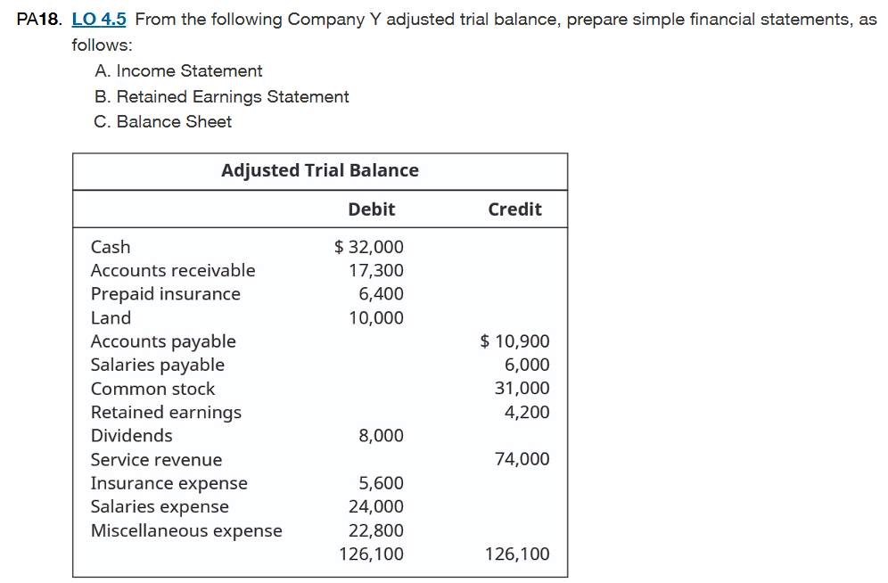

A. Income Statement |  |  | B. Retained Earning Statement
The statement will contain the net income, revenue and operating expense. |  |  | This statement shows how the equity of the company has changed over time
The net income will be the difference of service revenue and the expenses. |  |  | The net income- the dividends = retained earning
Company Y |  |  | Company Y
Income Statement |  |  | Retained Earning Statement
For the Month of December 31 |  |  | For the Month of December 31
 | Debit | Credit |  | Debit | Credit
Insurance Expense | $5,600 |  | Beginning Balance |  | $4,200
Salaries Expense | $24,000 |  | Net Income |  | $21,600
Miscellaneous Expense | $22,800 |  | Dividends | $8,000
Service Expense |  | $74,000
 |  |  | Ending Balance |  | $17,800
Net Income |  | $21,600

C. Balance Sheet
It lists the assests, liabilities and equity on specific date.
It represents the accouting equation A= L+E
Company Y
Balance Sheet
2025-12-31
Assets:
Cash | $32,000
Accounts Receivable | $17,300
Prepaid Insurance | $6,400
Land | $10,000
Total Assets |  | $65,700

Liabilities:
Accounts Payable | $10,900
Salaries Payable | $6,000
Total Liabilities |  | $16,900

Owner's Equity
Capital Stock | $31,000
Retained Earnings | $17,800
Total owner's equity |  | $48,800
Total Liabilites and Owner's Equity |  | $65,700

